Sheet1
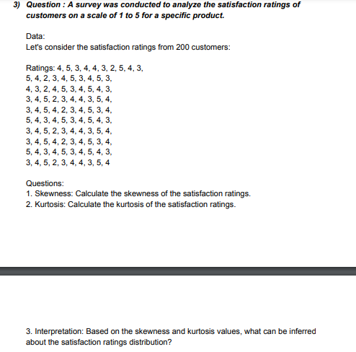
DATA |  |  |  |  | ANSWERS
 |  |  |  |  | Skewness | -0.21090973977
4 | 4 | 3 | 3 | 5 | Kurtosis | -0.74525627212
5 | 3 | 4 | 4 | 4 | Interpretation | 1. The data is negatively skewed that means the rating done by the most of the customers is same. 2. How did we interpret the 1st point? Usually when the mean is less than the mode and kurtosis Is in negative, the data is said to be negatively skewed.
3 | 2 | 5 | 5 | 3 | Mean | 3.77
4 | 4 | 4 | 2 | 4 | Median | 4
4 | 5 | 2 | 3 | 5 | Mode | 4
3 | 3 | 3 | 4 | 3
2 | 4 | 4 | 4 | 4
5 | 5 | 5 | 3 | 5
4 | 4 | 3 | 5 | 4
3 | 3 | 4 | 4 | 3
5 | 3 | 5 | 3 | 3
4 | 4 | 4 | 4 | 4
2 | 5 | 3 | 5 | 5
3 | 2 | 4 | 4 | 2
4 | 3 | 5 | 2 | 3
5 | 4 | 3 | 3 | 4
3 | 4 | 4 | 4 | 4
4 | 3 | 5 | 5 | 3
5 | 5 | 4 | 3 | 5
3 | 4 | 3 | 4 | 4

